Printout
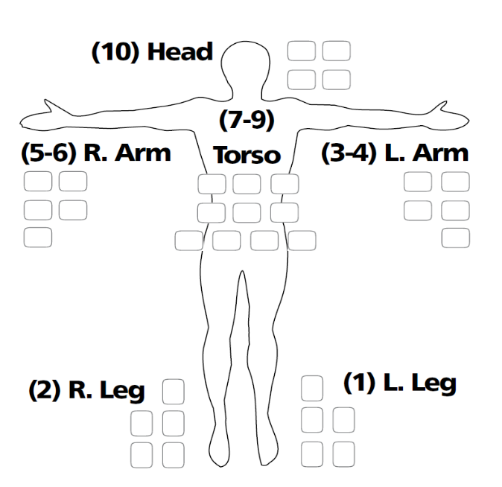
Name

Cost | 60 (256)

Source

Permission

Intrinsics

Willpower | 4 (4)

Misc Stats
Contacts |  | 0 D
Wealth |  | 0 D

Body |  | 2D | Mind | 2D | Powers / Miracles
Athletics |  | 2D | First Aid | 2D
Block |  | 2D | Knowledge (Type) | 2D
Brawling |  | 2D | Knowledge (Type) | 2D
Endurance |  | 2D | Language (Type) | 2D
Melee Weapon (Type) |  | 2D | Language (Type) | 2D
Melee Weapon (Type) |  | 2D | Medicine | 2D
Melee Weapon (Type) |  | 2D | Navigation | 2D
___________________ |  | 2D | Research | 2D
___________________ |  | 2D | Security Systems | 2D
 |  |  | Streetwise | 2D
Coordination |  | 2D | Survival | 2D
Dodge |  | 2D | Tactics | 2D
Driving (Type) |  | 2D | ___________________ | 2D
Driving (Type) |  | 2D | ___________________ | 2D
Ranged Weapon (Type) |  | 2D | Charm | 2D
Ranged Weapon (Type) |  | 2D | Lie | 2D
Ranged Weapon (Type) |  | 2D | Performance (Type) | 2D
Stealth |  | 2D | Persuasion | 2D
___________________ |  | 2D | ___________________ | 2D
___________________ |  | 2D | ___________________ | 2D
 |  |  | Command | 2D
Sense |  | 2D | Interrogation | 2D
Empathy |  | 2D | Intimidation | 2D
Perception |  | 2D | Leadership | 2D
Scrutiny |  | 2D | Stability | 2D
___________________ |  | 2D | ___________________ | 2D
___________________ |  | 2D | ___________________ | 2D

